Sheet1
Loop Examples with Cursor

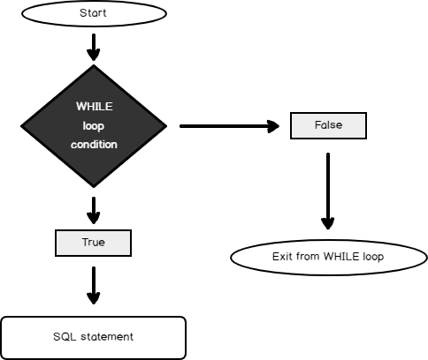

 | Topics | Status
 | Loop Introduction | Done
 | Loop Example-1 | Done
 | Loop Example-2 | Done | As you can see, in each iteration of the loop, the defined con
 | Loop Example-3 | Done
 | Loop Example-4 | Done
 | Loop Example-5 | Done
 | HomeTask
 | Cursor Introduction
 | Cursor Example-1
 | Cursor Example-2
 | Cursor Example-3
 | Cursor Example-4

